Application Screen
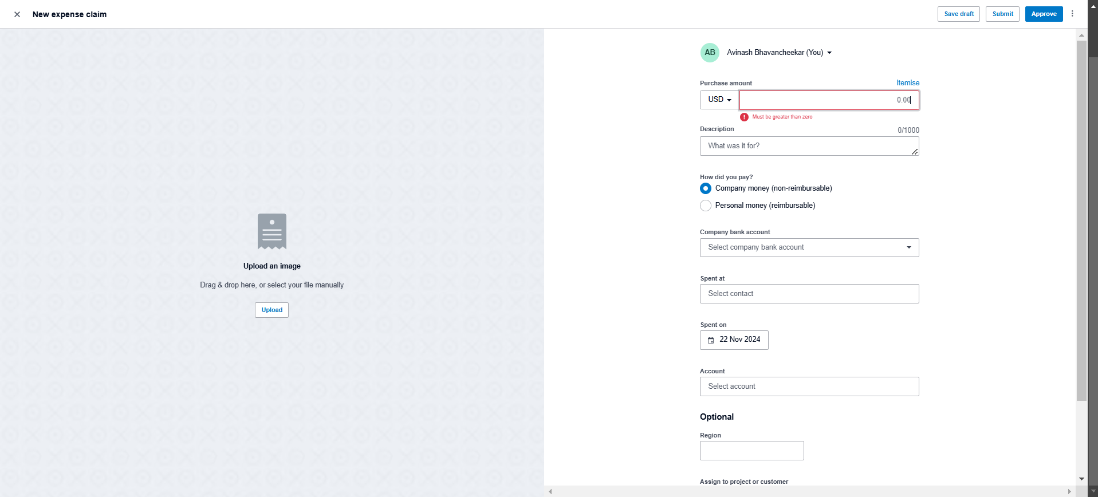

Test Case 14
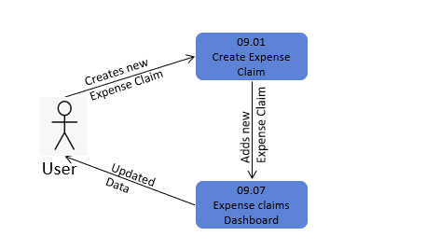
TC Title: | TC14. Create Expense Claim - Data Flow-Out Testing

TC Objective: | The objective of this test case is to assess the integration and data coherence of purchase order creation within the broader ecosystem of the application, particularly examining how data generated during purchase order creation interacts with and affects other core functionalities such as editing, deleting, reviewing, approving and viewing expense claims.

TC Description

 | Step | Step Description | Expected Results
 | 1 | Create an expense claim | The expense claim creation process is completed successfully without errors.
 | 2 | Navigate to sections for editing, deleting, etc. | Sections for editing, deleting, declining, approving, and viewing expense claims are easily accessible.
 | 3 | Verify listing of the created expense claim | The created expense claim is listed in sections for editing, deleting, and reviewing.
 | 4 | Edit the created expense claim | The expense claim is edited successfully, and changes are reflected accurately.
 | 5 | Delete the created expense claim | The expense claim is deleted successfully, and the deletion is reflected in the expense claims list.
 | 6 | Decline the created expense claim | The expense claim is declined successfully, and the declined status is updated in the expense claims list.
 | 7 | Approve the created expense claim | The expense claim is approved successfully, and the approved status is reflected in the expense claims list.
 | 8 | View the details of the created expense claim | The details of the created expense claim are displayed accurately, showing all relevant information.
 | 9 | Review the list of expense claims | The expense claims list includes the created expense claim and reflects all changes made during testing.

